Sheet1
 |  | Response Time (ms) |  |  |  |  |  |  |  |  |  | Average | Processing time (ms) |  |  |  |  |  |  |  |  |  | Average
 |  | 1 | 2 | 3 | 4 | 5 | 6 | 7 | 8 | 9 | 10 |  | 1 | 2 | 3 | 4 | 5 | 6 | 7 | 8 | 9 | 10
Django | Load create page | 34.93 | 33.94 | 41.92 | 34.92 | 68.81 | 33.93 | 38.89 | 34.93 | 32.94 | 42.88 | 39.809 | 0.018 | 0.018 | 0.023 | 0.018 | 0.05 | 0.018 | 0.018 | 0.018 | 0.015 | 0.026 | 0.0222 | Load create page
 | Create data | 133.89 | 196.59 | 109 | 100.77 | 109.61 | 139.63 | 109.9 | 115.99 | 122.67 | 110.63 | 124.868 | 0.1 | 0.17 | 0.08 | 0.076 | 0.085 | 0.114 | 0.088 | 0.094 | 0.095 | 0.087 | 0.0989 | Create data
 | Read data | 79.78 | 75.8 | 64.79 | 68.82 | 73.8 | 62.83 | 105.74 | 58.86 | 72.84 | 78.8 | 74.206 | 0.05 | 0.047 | 0.034 | 0.038 | 0.049 | 0.038 | 0.038 | 0.036 | 0.039 | 0.046 | 0.0415 | Read data
 | Load update page | 61.83 | 72.9 | 67.85 | 67.85 | 61.83 | 65.82 | 59.87 | 95.74 | 96.77 | 62.87 | 71.333 | 0.034 | 0.039 | 0.037 | 0.037 | 0.034 | 0.042 | 0.032 | 0.069 | 0.036 | 0.038 | 0.0398 | Load update page
 | Update data | 142.84 | 142.35 | 130.5 | 205.77 | 124.13 | 147.29 | 143.1 | 130.11 | 131.03 | 154.38 | 145.15 | 0.101 | 0.114 | 0.098 | 0.175 | 0.092 | 0.118 | 0.112 | 0.1 | 0.1 | 0.09 | 0.11 | Update data
 | Load delete page | 51.86 | 75.79 | 59.84 | 52.86 | 52.89 | 59.84 | 55.85 | 48.87 | 57.85 | 52.89 | 56.854 | 0.027 | 0.021 | 0.029 | 0.026 | 0.025 | 0.03 | 0.029 | 0.024 | 0.03 | 0.028 | 0.0269 | Load delete page
 | Delete data | 124.71 | 129.66 | 161.99 | 130.03 | 132.6 | 156.32 | 133.64 | 134.8 | 164.56 | 130.2 | 139.851 | 0.098 | 0.103 | 0.106 | 0.104 | 0.1 | 0.09 | 0.1 | 0.107 | 0.104 | 0.105 | 0.1017 | Delete data
 |  | delete when there were 10 records | . |  |  |  |  |  |  |  |  | 93.153 |  |  |  |  |  |  |  |  |  |  | 0.063

 |  | Response Time (ms) |  |  |  |  |  |  |  |  |  | Average | Processing time (ms) |  |  |  |  |  |  |  |  |  | Average
 |  | 1 | 2 | 3 | 4 | 5 | 6 | 7 | 8 | 9 | 10 |  | 1 | 2 | 3 | 4 | 5 | 6 | 7 | 8 | 9 | 10
Flask | Load create page | 0.97 | 0 | 1 | 1 | 0 | 1 | 0 | 1 | 0 | 0 | 0.497 | 0.0159 | 0.013 | 0.023 | 0.0486 | 0.0131 | 0.0526 | 0.0162 | 0.0186 | 0.012 | 0.0247 | 0.02377 | Load create page
 | Create data | 64.23 | 57.84 | 64 | 78.79 | 77.74 | 69 | 60.85 | 64.28 | 64.71 | 95.75 | 69.719 | 0.0565 | 0.0545 | 0.0766 | 0.0922 | 0.1599 | 0.063 | 0.0678 | 0.1065 | 0.0695 | 0.0582 | 0.08047 | Create data
 | Read data | 14.96 | 9.01 | 9.97 | 12.97 | 9.97 | 13 | 14.96 | 8.98 | 6.98 | 17.95 | 11.875 | 0.0823 | 0.06 | 0.0586 | 0.0681 | 0.1281 | 0.0903 | 0.0905 | 0.0935 | 0.096 | 0.1444 | 0.09118 | Read data
 | Load update page | 2.99 | 1.99 | 1.99 | 2 | 1.99 | 2 | 2 | 2.99 | 2 | 2 | 2.195 | 0.1117 | 0.0621 | 0.0606 | 0.0746 | 0.1652 | 0.0728 | 0.0496 | 0.0712 | 0.0658 | 0.0958 | 0.08294 | Load update page
 | Update data | 78.38 | 59.47 | 82.9 | 73.22 | 80.29 | 66.98 | 64.6 | 84.65 | 59.99 | 73.16 | 72.364 | 0.0748 | 0.0862 | 0.072 | 0.1019 | 0.0776 | 0.0903 | 0.1094 | 0.0921 | 0.0833 | 0.1175 | 0.09051 | Update data
 | Load delete page | 2 | 4 | 1 | 1.99 | 1.99 | 1.99 | 2 | 0.99 | 2 | 2.99 | 2.095 | 0.0516 | 0.1775 | 0.0363 | 0.0555 | 0.0548 | 0.0597 | 0.031 | 0.0361 | 0.0751 | 0.0658 | 0.06434 | Load delete page
 | Delete data | 57.29 | 64.94 | 90.9 | 56.36 | 57.22 | 49.39 | 55.99 | 65.34 | 50.55 | 63.72 | 61.17 | 0.0954 | 0.0872 | 0.0593 | 0.0823 | 0.0737 | 0.0656 | 0.0761 | 0.0875 | 0.0771 | 0.0759 | 0.07801 | Delete data
 |  | delete with full records | . |  |  |  |  |  |  |  |  | 31.416428571 |  |  |  |  |  |  |  |  |  |  | 0.073031428571

Django
Flask

Django
Flask

Response Time
Average Response Time
 | Total Response Time
 | Tasks | Django | Flask
 | Load create page | 39.809 | 0.497
 | Create data | 124.868 | 69.719
 | Read data | 74.206 | 11.875
 | Load update page | 71.333 | 2.195
 | Update data | 145.15 | 72.364
 | Load delete page | 56.854 | 2.095
 | Delete data | 139.851 | 61.17

 |  | Django | Flask
 |  | 93.153 | 31.416428571

Processing Time
Average Processing Time
 | Processing request time
 | Tasks | Django | Flask
 | Load create page | 0.0222 | 0.02377
 | Create data | 0.0989 | 0.08047
 | Read data | 0.0415 | 0.09118
 | Load update page | 0.0398 | 0.08294
 | Update data | 0.11 | 0.09051
 | Load delete page | 0.0269 | 0.06434
 | Delete data | 0.1017 | 0.07801

 |  | Django | Flask
 |  | 0.063 | 0.073031428571

Process Time
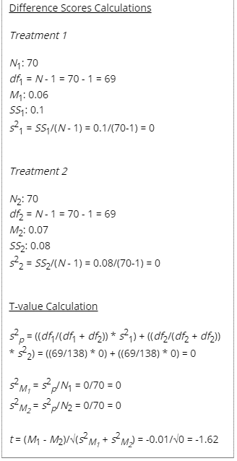
 | 0.018 | 0.0159
 | 0.1 | 0.0565
 | 0.05 | 0.0823
 | 0.034 | 0.1117
 | 0.101 | 0.0748
 | 0.027 | 0.0516
 | 0.098 | 0.0954
 | 0.018 | 0.013
 | 0.17 | 0.0545
 | 0.047 | 0.06
 | 0.039 | 0.0621
 | 0.114 | 0.0862
 | 0.021 | 0.1775
 | 0.103 | 0.0872
 | 0.023 | 0.023
 | 0.08 | 0.0766
 | 0.034 | 0.0586
 | 0.037 | 0.0606
 | 0.098 | 0.072
 | 0.029 | 0.0363
 | 0.106 | 0.0593
 | 0.018 | 0.0486
 | 0.076 | 0.0922
 | 0.038 | 0.0681
 | 0.037 | 0.0746
 | 0.175 | 0.1019
 | 0.026 | 0.0555
 | 0.104 | 0.0823
 | 0.05 | 0.0131
 | 0.085 | 0.1599
 | 0.049 | 0.1281
 | 0.034 | 0.1652
 | 0.092 | 0.0776
 | 0.025 | 0.0548
 | 0.1 | 0.0737
 | 0.018 | 0.0526
 | 0.114 | 0.063
 | 0.038 | 0.0903
 | 0.042 | 0.0728
 | 0.118 | 0.0903
 | 0.03 | 0.0597 | The t-value is -1.61982.
 | 0.09 | 0.0656 | p-value is .107553.
 | 0.018 | 0.0162
 | 0.088 | 0.0678
 | 0.038 | 0.0905 | If I accept the null hypothesis, I have to explain why, in terms of what?
 | 0.032 | 0.0496 | And I can still say that from the descriptive statitstics that Django process faster right?
 | 0.112 | 0.1094
 | 0.029 | 0.031
 | 0.1 | 0.0761
 | 0.018 | 0.0186
 | 0.094 | 0.1065
 | 0.036 | 0.0935
 | 0.069 | 0.0712
 | 0.1 | 0.0921
 | 0.024 | 0.0361
 | 0.107 | 0.0875
 | 0.015 | 0.012
 | 0.095 | 0.0695
 | 0.039 | 0.096
 | 0.036 | 0.0658
 | 0.1 | 0.0833
 | 0.03 | 0.0751
 | 0.104 | 0.0771
 | 0.026 | 0.0247
 | 0.087 | 0.0582
 | 0.046 | 0.1444
 | 0.038 | 0.0958
 | 0.09 | 0.1175
 | 0.028 | 0.0658
 | 0.105 | 0.0759
 | Django | Flask
Mean | 0.063 | 0.073031428571
Geometric Mean | 0.051337926068 | 0.063578401355

Shapiro test | Not normal | Not normal
 | p = 0.019 | p = 0.023
 | p < 0.05 | p < 0.05

Response Time
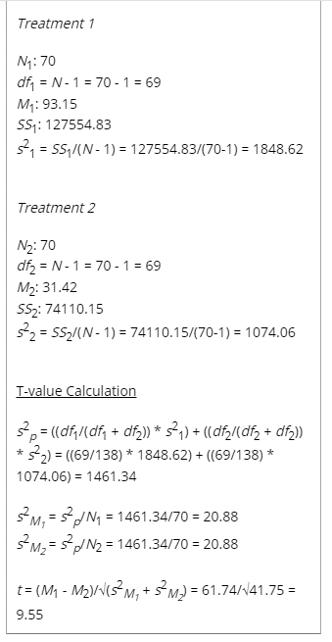
 | 34.93 | 0.97
 | 133.89 | 64.23
 | 79.78 | 14.96
 | 61.83 | 2.99
 | 142.84 | 78.38
 | 51.86 | 2 |  | Django | Flask
 | 124.71 | 57.29 | Min | 32.94 | 0
 | 33.94 | 0 | Q1 | 59.84 | 1.9925
 | 196.59 | 57.84 | Median | 77.3 | 11.47
 | 75.8 | 9.01 | Q3 | 130.1775 | 64.1725
 | 72.9 | 1.99 | Max | 205.77 | 95.75
 | 142.35 | 59.47
 | 75.79 | 4
 | 129.66 | 64.94
 | 41.92 | 1
 | 109 | 64
 | 64.79 | 9.97
 | 67.85 | 1.99
 | 130.5 | 82.9
 | 59.84 | 1
 | 161.99 | 90.9
 | 34.92 | 1
 | 100.77 | 78.79
 | 68.82 | 12.97
 | 67.85 | 2
 | 205.77 | 73.22
 | 52.86 | 1.99
 | 130.03 | 56.36
 | 68.81 | 0
 | 109.61 | 77.74
 | 73.8 | 9.97
 | 61.83 | 1.99
 | 124.13 | 80.29
 | 52.89 | 1.99
 | 132.6 | 57.22
 | 33.93 | 1
 | 139.63 | 69
 | 62.83 | 13
 | 65.82 | 2
 | 147.29 | 66.98
 | 59.84 | 1.99
 | 156.32 | 49.39
 | 38.89 | 0 |  |  |  | The t-value is 9.55434.
 | 109.9 | 60.85 |  |  |  | The p-value is < .00001.
 | 105.74 | 14.96
 | 59.87 | 2
 | 143.1 | 64.6
 | 55.85 | 2
 | 133.64 | 55.99
 | 34.93 | 1
 | 115.99 | 64.28
 | 58.86 | 8.98
 | 95.74 | 2.99
 | 130.11 | 84.65
 | 48.87 | 0.99
 | 134.8 | 65.34
 | 32.94 | 0
 | 122.67 | 64.71
 | 72.84 | 6.98
 | 96.77 | 2
 | 131.03 | 59.99
 | 57.85 | 2
 | 164.56 | 50.55
 | 42.88 | 0
 | 110.63 | 95.75
 | 78.8 | 17.95
 | 62.87 | 2
 | 154.38 | 73.16
 | 52.89 | 2.99
 | 130.2 | 63.72
 | Django | Flask
Mean | 93.153 | 31.416428571
Shapiro Test | Normal | Normal
 | p = 0.099 | p = 0.135
 | p > 0.05 | p > 0.05

